Specs
 |  |  | Please deliver with a server-link. E-mail attachments will likely be removed by our spamfilter.
DIGITAL SPECIFICATIONS |  |  | Please deliver with a clear naming convention: Publisher_Creative type_Size_Version

Media Agency: | Initiative Media |  | Please commit to the official competitive deadlines for creative asset delivery. Only when delivered correctly and completely (including urls) conform these deadlines we can guarantee launch on the planned start date.
Campaign Manager: | kirsten.berendsen@initiative.com
Advertiser: | ING
Campaign Name: | 85657 | ING AMC EB Campagne Q3 2023
Campaign Period: | 11-9 t/m 19-11
Delivery Address: | adops-nl@mbww.com
CC Delivery | kirsten.berendsen@initiative.com
Contact: | gerwin.van.engelenburg@mbww.com
Delivery deadline | 7 business days before 12:00

Site information |  | Data |  | Creatives |  |  |  |  |  |  |  |  |  |  |  |  | Details and resources | Further remarks / resources
Publisher | Site / Channel | Deadline Delivery before 12:00 | START date | Creative type | Size | Version | Concept / Creative Advice | Ad Weight | Ad Type | Ad Technology | Video | Sound | Animation / looping restrictions | Video framerate | Ad hosting location / ad server | clickTag insertion type | Spec details & resources | Further remarks / resources
Online Video
Matterkinad | YouTube | 2023-08-31 | 2023-09-11 | InStream TrueView | 1920x1080 please deliver a YouTube URL! | see | 30s | - | YouTube Video URL | URL to video | Required | Autostart |  | 24 to 30 fps | Site/Publisher | N/A | https://support.google.com/displayspecs/answer/6055025?hl=nl | Please make sure the video is uploaded to the advertiser's YouTube channel. We can only proceed with a video link - not with MP4!
Matterkind | instream | 2023-08-31 | 2023-09-11 | PreRoll | 1920x1080 | see | Max loudness -23 LUFS (R128 norm = tv mix) - 30s (15,6s mits beschikbaar) | max 100 MB | InStream Video | MP4 | Required | Autostart | max. 30 sec. | 24 to 30 fps | Google Campaign Manager | N/A |  | -
Display
Matterkind | Run of Network | 2023-08-31 | 2023-09-11 | MediumRectangle | 300x250 | see/think passive |  | max 300 kb | Standard banner | HTML5 + backup image (PNG/JPG/GIF) | No video | No sound | max 30 sec + max 3 x loop | - | Google Campaign Manager | Google | Per creative size a delivery in ZIP with a separate static image PNG (max. 100 assets. Supported file types: HTML, HTM, JS, CSS, JPG, JPEG, GIF, PNG, JSON, XML, and SVG) | Please add border / 1 pixel | Please read the Google AdTech disclaimer before building your HTML assets.
Matterkind | Run of Network | 2023-08-31 | 2023-09-11 | LargeRectangle | 336x280 | see/think passive |  | max 300 kb | Standard banner | HTML5 + backup image (PNG/JPG/GIF) | No video | No sound | max 30 sec + max 3 x loop | - | Google Campaign Manager | Google | Per creative size a delivery in ZIP with a separate static image PNG (max. 100 assets. Supported file types: HTML, HTM, JS, CSS, JPG, JPEG, GIF, PNG, JSON, XML, and SVG) | Please add border / 1 pixel | Please read the Google AdTech disclaimer before building your HTML assets.
Matterkind | Run of Network | 2023-08-31 | 2023-09-11 | Billboard | 970x250 | see/think passive |  | max 300 kb | Standard banner | HTML5 + backup image (PNG/JPG/GIF) | No video | No sound | max 30 sec + max 3 x loop | - | Google Campaign Manager | Google | Per creative size a delivery in ZIP with a separate static image PNG (max. 100 assets. Supported file types: HTML, HTM, JS, CSS, JPG, JPEG, GIF, PNG, JSON, XML, and SVG) | Please add border / 1 pixel | Please read the Google AdTech disclaimer before building your HTML assets.
Matterkind | Run of Network | 2023-08-31 | 2023-09-11 | HalfpageAd | 300x600 | see/think passive |  | max 300 kb | Standard banner | HTML5 + backup image (PNG/JPG/GIF) | No video | No sound | max 30 sec + max 3 x loop | - | Google Campaign Manager | Google | Per creative size a delivery in ZIP with a separate static image PNG (max. 100 assets. Supported file types: HTML, HTM, JS, CSS, JPG, JPEG, GIF, PNG, JSON, XML, and SVG) | Please add border / 1 pixel | Please read the Google AdTech disclaimer before building your HTML assets.
Matterkind | Run of Network | 2023-10-05 | 2023-10-16 | MediumRectangle | 300x250 | think active |  | max 300 kb | Standard banner | HTML5 + backup image (PNG/JPG/GIF) | No video | No sound | max 30 sec + max 3 x loop | - | Google Campaign Manager | Google | Per creative size a delivery in ZIP with a separate static image PNG (max. 100 assets. Supported file types: HTML, HTM, JS, CSS, JPG, JPEG, GIF, PNG, JSON, XML, and SVG) | Please add border / 1 pixel | Please read the Google AdTech disclaimer before building your HTML assets.
Matterkind | Run of Network | 2023-10-05 | 2023-10-16 | LargeRectangle | 336x280 | think active |  | max 300 kb | Standard banner | HTML5 + backup image (PNG/JPG/GIF) | No video | No sound | max 30 sec + max 3 x loop | - | Google Campaign Manager | Google | Per creative size a delivery in ZIP with a separate static image PNG (max. 100 assets. Supported file types: HTML, HTM, JS, CSS, JPG, JPEG, GIF, PNG, JSON, XML, and SVG) | Please add border / 1 pixel | Please read the Google AdTech disclaimer before building your HTML assets.
Matterkind | Run of Network | 2023-10-05 | 2023-10-16 | Billboard | 970x250 | think active |  | max 300 kb | Standard banner | HTML5 + backup image (PNG/JPG/GIF) | No video | No sound | max 30 sec + max 3 x loop | - | Google Campaign Manager | Google | Per creative size a delivery in ZIP with a separate static image PNG (max. 100 assets. Supported file types: HTML, HTM, JS, CSS, JPG, JPEG, GIF, PNG, JSON, XML, and SVG) | Please add border / 1 pixel | Please read the Google AdTech disclaimer before building your HTML assets.
Matterkind | Run of Network | 2023-10-05 | 2023-10-16 | HalfpageAd | 300x600 | think active |  | max 300 kb | Standard banner | HTML5 + backup image (PNG/JPG/GIF) | No video | No sound | max 30 sec + max 3 x loop | - | Google Campaign Manager | Google | Per creative size a delivery in ZIP with a separate static image PNG (max. 100 assets. Supported file types: HTML, HTM, JS, CSS, JPG, JPEG, GIF, PNG, JSON, XML, and SVG) | Please add border / 1 pixel | Please read the Google AdTech disclaimer before building your HTML assets.
Display Hi-impact
Matterkind | GumGum | 2023-08-31 | 2023-09-11 | Desktop Skin GumGum template required! | Responsive Rich Media | see/think passive (max 1 version | Demo: https://demo.partners.gumgum.com/sites/desktop.html?ad=creative_wp_53&type=wp&title=BBC%20-%20Skin Download this deck for best practices: https://drive.google.com/file/d/1MAQdYAk2Y35DMYhm4nSJKQHzUxoiTgxk/view | max initial load 3,5 MB | Rich Media banner | - | Optional | User-initiated | max 30 sec + max 3 x loop | 24 to 30 fps | Rich Media Server | GumGum | https://docs.partners.gumgum.com/specs/formats/desktop-skin | Please contact nino.bavelaar@gumgum.com, emea_studio@gumgum.com, adelina.iacob@gumgum.com for support and delivery
Matterkind | GumGum | 2023-08-31 | 2023-09-11 | Mobile Skin GumGum template required! | Responsive Rich Media | see/think passive (max 1 version | Demo: https://demo.partners.gumgum.com/sites/mobile-skin.html?url=./content/nike-lab-mt/&bgurl=./images/backgrounds/nike-lab-mt.jpg&title=Nike%20-%20Mobile%20Skin Download this deck for best practices: https://drive.google.com/file/d/1MAQdYAk2Y35DMYhm4nSJKQHzUxoiTgxk/view | max initial load 2,5 MB | Rich Media banner | - | Optional | User-initiated | max 30 sec + max 3 x loop | 24 to 30 fps | Rich Media Server | GumGum | https://docs.partners.gumgum.com/specs/formats/mobile-skin | Please contact nino.bavelaar@gumgum.com, emea_studio@gumgum.com, adelina.iacob@gumgum.com for support and delivery
Native
Matterkind | DPG/Adalliance/Mediahuis | 2023-08-31 | 2023-09-11 | Extra social - extension |  | see/think passive | Facebook/Instagram social media post (link) via social consultant
Matterkind | DV360 | 2023-10-05 | 2023-10-16 | Native DV360 image | 1200x627 | think active |  | max 1200 kb | Native Ad | PNG/JPG + Text | Required | User-initiated | - | - | Site/Publisher | N/A | Please deliver copy in a Word document or PDF 1 Advertisername - (25 characters max. including punctuation and spaces) 1 logo (100x100px, jpg/png, max 1200 kb) 1 image (1200x627px, jpg/png, max 1200 kb) Optional 1 square image (627x627px, jpg/png, max 1200 kb) 1 headline - (25 characters max. including punctuation and spaces) 1 bodyText - (90 characters max. including punctuation and spaces) 1 caption url - (30 characters max. including punctuation and spaces) 1 call to action - (15 characters max. including punctuation and spaces) Guidelines: https://support.google.com/bidmanager/answer/7128458/ | -
Digital Out of Home
Matterkind | Matterkind | 2023-08-31 | 2023-09-11 | Programmatic Out of Home (digital abri) | 1080x1920 | see | See tab DOOH for best practice | image: max 2,5 MB video: max 25 MB |  | MP4 + JPG/PNG | Required | No sound | 10s exact |  | Site/Publisher | N/A
Matterkind | Matterkind | 2023-08-31 | 2023-09-11 | High impact | multiple size | see | See DOOH Impact |  |  |  |  |  |  |  | Site/Publisher | N/A
Social
LinkedIn
LinkedIn | LinkedIn | 2023-08-31 | 2023-09-11 | Linksharing (video) | 1080x1080 | see/think passive |  | max 200 MB | Social Media Asset | MP4 + JPG + TXT + MP4 | Required | User-initiated | 3 sec tot 30 min. | - | Site/Publisher | N/A | Please deliver copy in a Word document or PDF Introductory Text: 150 characters or less, including the landing page URL Title: 70 characters or less | When using voice-over please embed subtitles. (no SRT)
LinkedIn | LinkedIn | 2023-10-05 | 2023-10-16 | LinkSharing (image) | 1080x1080 | think active /do |  | max 2 MB | Social Media Asset | JPG/(static)GIF/PNG + TXT | No video | No sound | - | - | Site/Publisher | N/A | Please deliver copy in a Word document or PDF Introductory Text: 150 characters or less, including the landing page URL Headline: 70 characters or less Description: 100 characters or less | https://www.linkedin.com/help/linkedin/answer/68894/advertising-specifications-for-sponsored-content?lang=en
Facebook / Instagram
Please test your creatives before sending in the Facebook Creative Hub: https://www.facebook.com/ads/creativehub/home/
Facebook | Facebook Instagram FEED | 2023-10-05 | 2023-10-16 | Video Link Ad | 1080x1080 (1:1) | think active /do |  | max 4 GB | Social Media Asset | MP4 + JPG + TXT | Required | User-initiated | Advice max 15 sec | 24 to 30 fps | Site/Publisher | N/A | Please deliver copy in a Word document or PDF Text: max 125 characters (incl. spaces) Header: 27 characters (incl. spaces) Link Description: 27 characters (incl. spaces) Recommended to deliver a static start-card with max 20% text in JPG, GIF or PNG | https://www.facebook.com/business/ads-guide?tab0=Nieuwsoverzicht%20op%20mobiele%20apparaten Please always check a mock-up / preview of your ad on mobile to make sure no text is being aborted. When using voice-over please embed subtitles. (no SRT)
Facebook | Facebook Instagram STORIES | 2023-10-05 | 2023-10-16 | Stories (video) | 1080x1920 (9:16) no text bottom (20% safemargin) | think active /do |  | image: max 30 MB video: max 4 GB | Social Media Asset | MP4 or JPG | Optional | User-initiated | Advice max 15 sec | - | Site/Publisher | N/A | Recommended to not use more than 20% text Please deliver a static start-card without text in JPG, GIF or PNG Consider leaving roughly 14% (250 pixels) of the top and 20% (340 pixels) of the bottom of the image free from text, logos, or other key creative elements to avoid covering them with the profile icon or call-to-action. | https://www.facebook.com/business/ads-guide/image/instagram-feed https://www.facebook.com/business/ads-guide/video/instagram-story When using voice-over please embed subtitles. (no SRT)
Facebook | Facebook Instagram STORIES | 2023-10-05 | 2023-10-16 | Stories (static) | 1080x1920 (9:16) no text bottom (20% safemargin) | think active /do |  | image: max 30 MB | Social Media Asset | JPG | No video | No sound | - | - | Site/Publisher | N/A | Recommended to not use more than 20% text Consider leaving roughly 14% (250 pixels) of the top and 20% (340 pixels) of the bottom of the image free from text, logos, or other key creative elements to avoid covering them with the profile icon or call-to-action. | https://www.facebook.com/business/ads-guide/image/instagram-feed
Facebook | Facebook Instagram FEED | 2023-10-05 | 2023-10-16 | Link Ad | 1080x1080 (1:1) | think active /do |  | max 30 MB | Social Media Asset | JPG + TXT | No video | No sound | - | - | Site/Publisher | N/A | Please deliver copy in a Word document or PDF Facebook and Instagram: Text: max 125 characters (incl. spaces) Header: 27 characters (incl. spaces) Link Description: 27 characters (incl. spaces) Instagram only: Text: max 125 characters (incl. spaces) Hashtags in Text: max 30 | https://www.facebook.com/business/ads-guide/image https://www.facebook.com/business/ads-guide/image/instagram-feed Recommended to not use more than 20% text in image Please always check a mock-up / preview of your ad on mobile to make sure no text is being aborted.
Twitter
Branddeli | Twitter | 2023-10-05 | 2023-10-16 | WebsiteCard | 1200x1200 (1:1) - optioneel1920x1080 (16:9) | think active /do |  | max 3 MB | Social Media Asset | PNG/JPEG + TXT | No video | No sound | - | - | Site/Publisher | N/A | Please deliver copy in a Word document or PDF Tweet copy: 280 characters are available (24 characters are used for images). Website title length: 70 characters. Please note — depending on device and app settings this description may truncate. Although not guaranteed, limiting the description to 50 characters should ensure that truncation won’t occur across most devices. | https://business.twitter.com/en/help/campaign-setup/advertiser-card-specifications.html
Branddeli | Twitter | 2023-10-05 | 2023-10-16 | VideoWebsiteCard | 1200x1200 (1:1) - optioneel 1920x1080 (16:9) | think active /do |  | video: max 1 GB thumbnail: max 5 MB | Social Media Asset | MP4/MOV + TXT + PNG/JPEG | Required | User-initiated | max. 15 sec. recommended | 29.97 or 30 fps | Site/Publisher | N/A | Please deliver copy in a Word document or PDF Tweet copy: 280 characters Headline (under video): 70 characters (< 50 recommended) Video Codec: H264, baseline, 4:2:0 color space Frame rate: 29.97FPS or 30FPS Video bitrate recommendation: 6,000K - 10,000K for 1080P 5,000K - 8,000K for 720P | https://business.twitter.com/en/help/campaign-setup/advertiser-card-specifications.html When using voice-over please embed subtitles. (no SRT)

Audio
Audio is always user-initiated by using a mute on/off button.
SSL Compliant
Attention! All creatives need to be SSL compliant (https://)
Please check 'Developer Guidelines' https://support.google.com/dcm/partner/answer/3145300?hl=en&ref_topic=3142581#dev
Check if your HTML5 file is compatible with Google Campaign Manager by using the validator https://h5validator.appspot.com/dcm
Does not guarantee a proper functionality within the different web browsers
Clicktag
HTML5 <html> <head> <meta name=”ad.size” content=”width=300,height=250”> <script type="text/javascript"> var clickTag = "https://www.doubleclickbygoogle.com/"; </script> </head> [The rest of your creative code goes here.] </html> Make sure your creative uses the click tag variable as the click-through URL: <a href="javascript:window.open(window.clickTag)"> <img src="images/dclk.png" border=0> </a>
Indien je HTML5 opmaakt via Google Web Designer check hier de clicktag
https://support.google.com/webdesigner/answer/3263494?hl=en
LET OP!!!
Yourchoice Logo komt op veel websites rechts boven in de hoek te staan bij alle banner formaten. Houd hier rekening mee met bij het maken van het design!



No rights can be derived from this adspecs template.
This adspecs sheet functions as a technical instruction and not as a creative instruction. For questions concerning the actual content or message, please contact the advertiser/client.
Creative advice is featured only in case we received a proper creative instruction from the advertiser/client before production starts.

Delivery Best Practice
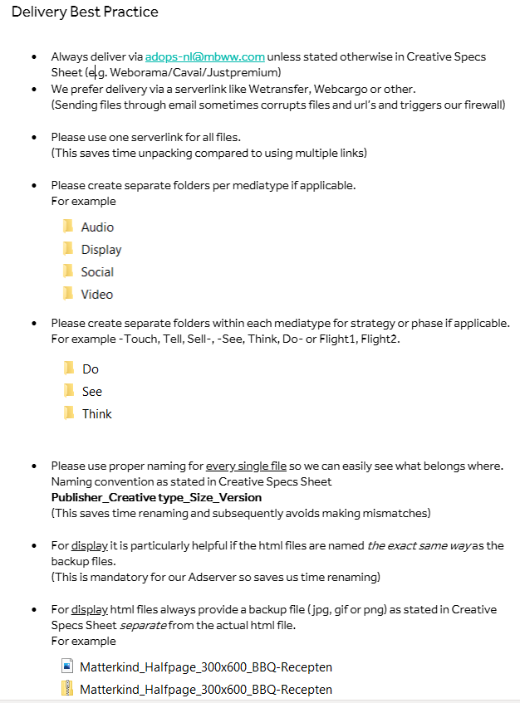

Facebook Aspect Ratios
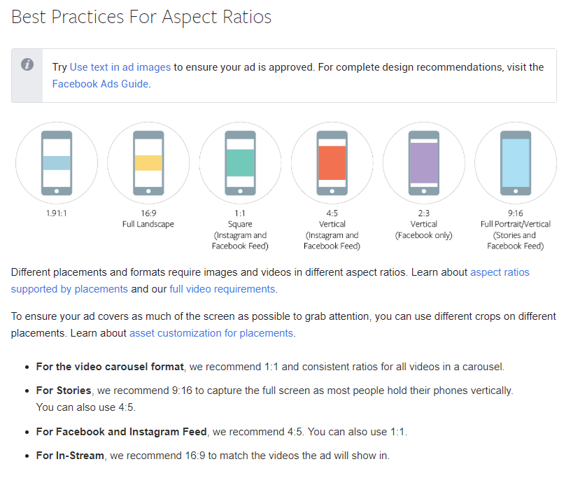

DOOH
